Application Screen
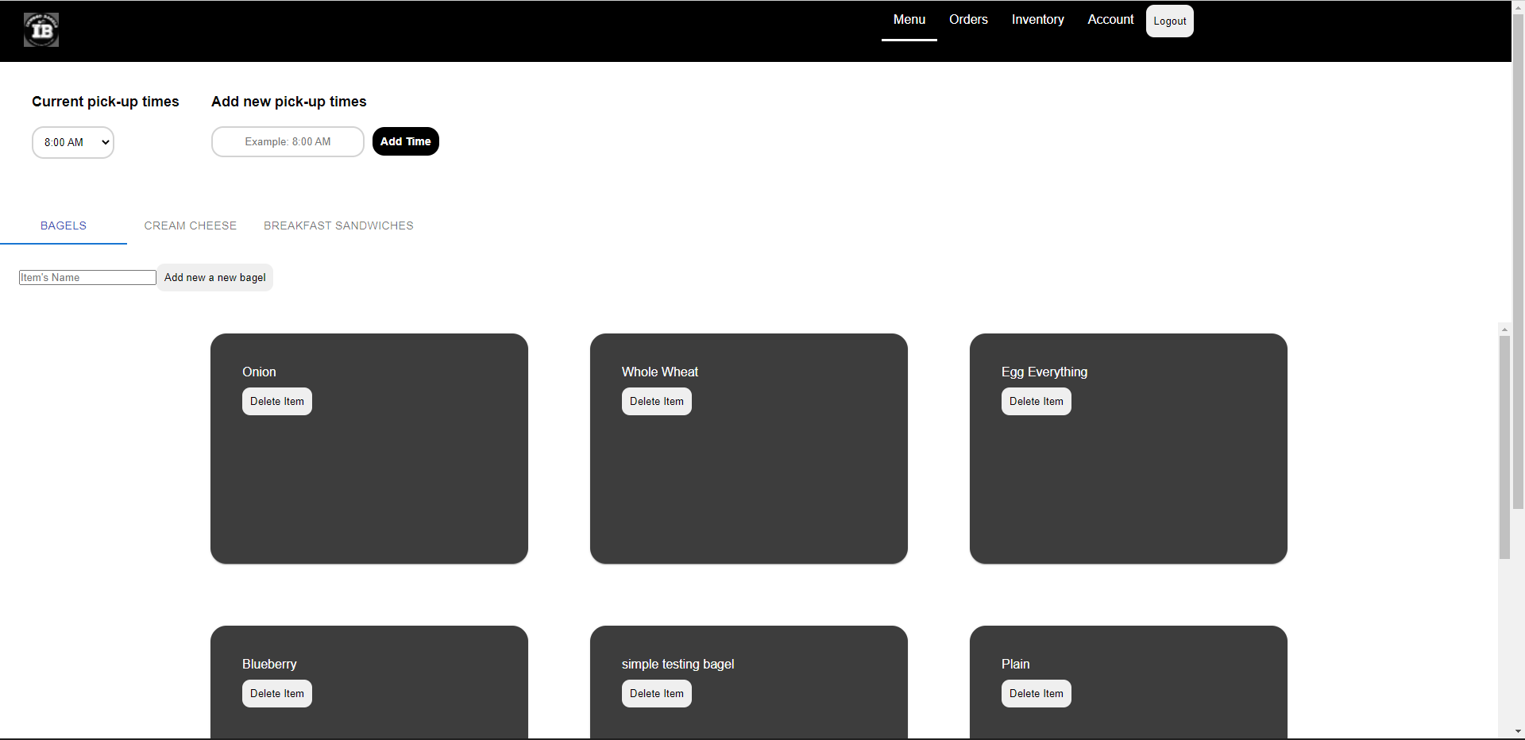


Test Case 4
Screen Shot 2022-04-20 at 5.34.15 PM
TC Title: | TC4 Data Flow Out

TC Objective: | This test case will test if after adding a new item to the menu, customers will be able to view most recent addition on the menu on the customer side of the website. It will also test if after deleting an item from the menu, customers will no longer be able to view that deleted item on the menu on the customer side of the website.

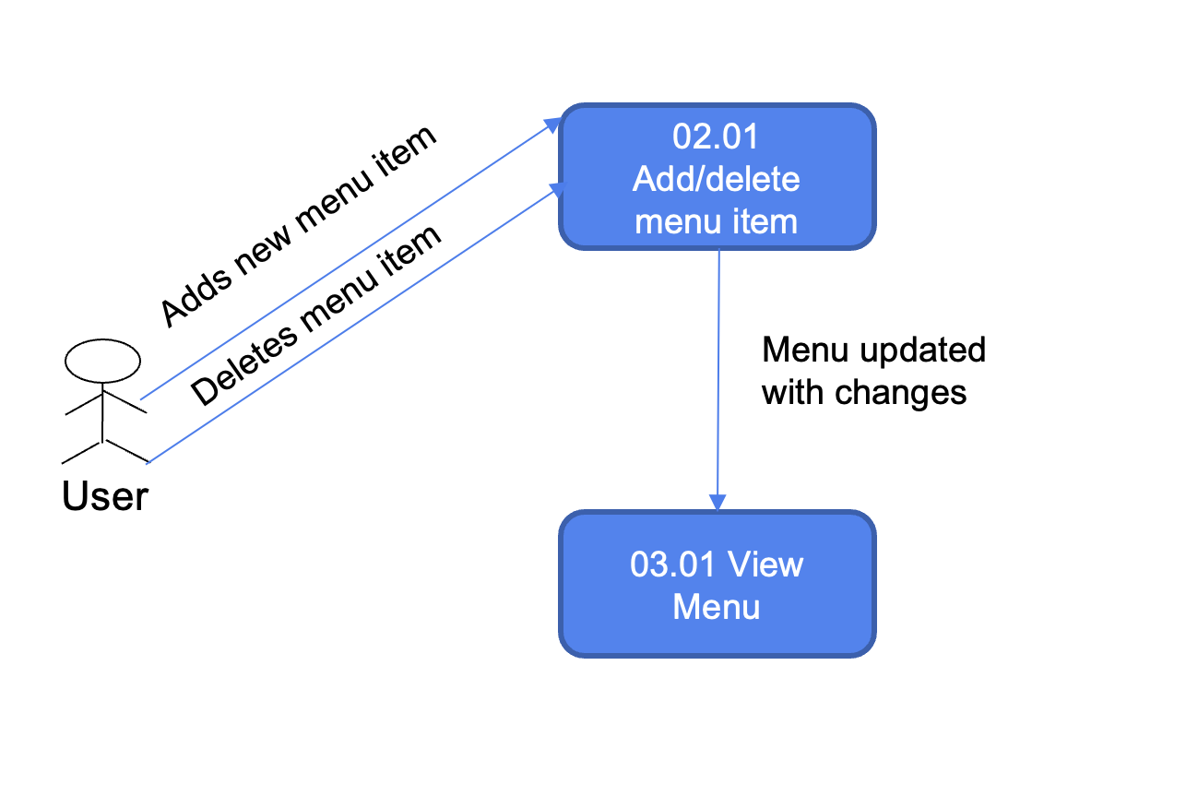

TC Description | Step | Step Description | Expected Results | Data Flow Diagram
 | 1 | actor modifies the menu items by adding new items | popup shows item added into menu successfully
 | 2 | login as customer and check for new items | customer can see new menu items (new menu items added on admin website are reflected on customer website)
 | 3 | actor modifies the menu items by deleting some menu items | Popup asks if it is okay to delete item. If user clicks yes, popup states that item was successfully deleted
 | 4 | login as customer and checks menu items | customer wont be able to see deleted items (menu items deleted on admin website are reflected on customer website)

